EU Data
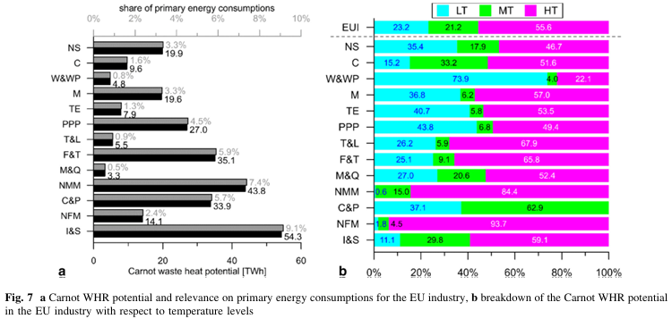

Indst | Potential (TWh) | Potential (%) | LT | MT | HT | EPS ISIC
NS | 19.9 | 3.30% | 35.4 | 17.9 | 46.7 | other manufacturing 31T33 | metal products except machinery and vehicles 25 | rubber and plastic products 22
C | 9.6 | 1.60% | 15.2 | 33.2 | 51.6 | construction 41T43
W&WP | 4.8 | 0.80% | 73.9 | 4 | 22.1 | wood products 16
M | 19.6 | 3.30% | 36.8 | 6.2 | 57 | other machinery 28 | computers and electronics 26 | appliances and electrical equipment 27
TE | 7.9 | 1.30% | 40.7 | 5.8 | 53.5 | road vehicles 29 | nonroad vehicles 30
PPP | 27 | 4.50% | 43.8 | 6.8 | 49.4 | pulp paper and printing 17T18
T&L | 5.5 | 0.90% | 26.2 | 5.9 | 67.9 | textiles apparel and leather 13T15
F&T | 35.1 | 5.90% | 25.1 | 9.1 | 65.8 | food beverage and tobacco 10T12
M&Q | 3.3 | 0.50% | 27 | 20.6 | 52.4 | other mining and quarrying 07T08
NMM | 43.8 | 7.40% | 0.6 | 15 | 84.4 | cement and other nonmetallic minerals 239 | glass and glass products 231
C&P | 33.9 | 5.70% | 37.1 | 62.9 | 0 | chemicals 20
NFM | 14.1 | 2.40% | 1.8 | 4.5 | 93.7 | other metals 242
I&S | 54.3 | 9.10% | 11.1 | 29.8 | 59.1 | iron and steel 241

